Cintas Cash Flow
Cintas
 | 2006 | 2007 | 2008 | 2009 | 2010 | 2011 | 2012 | 2013 | 2014 | 2015 | 2016 | 2017 | 2018 | 2019 | 2020 | 2021 | 2022 | 2023 | 2024 | 2025 | 2026 | 2027 | 2028 | 2029 | 2030 | 2031
Revenue:
Uniform Rental & Facility Services | 2569 | 2735 | 2835 | 0 | 0 | 2692 | 2912 | 3044 | 3305 | 3541 | 3777 | 4202 | 5247 | 5552 | 5643 | 5690 | 6227 | 6897
% (of revenue) |  |  |  |  |  |  |  |  | 0.79 | 0.79 | 0.77 | 0.76 | 0.78 | 0.78 | 0.80 | 0.80 | 0.79 | 0.88 | 0.00
δ | 0.00 | 0.06 | 0.04 | (1.00) | 0.00 | 0.00 | 0.08 | 0.05 | 0.09 | 0.07 | 0.07 | 0.11 | 0.25 | 0.06 | 0.02 | 0.01 | 0.09 | 0.11 | (1.00)
First Aid and Safety Services | 285 | 362 | 404 | 0 | 0 | 378 | 416 | 461 | 294 | 327 | 461 | 461 | 565 | 619 | 709 | 784 | 832 | 951
% |  |  |  |  |  |  |  |  | 0.07 | 0.07 | 0.09 | 0.09 | 0.08 | 0.09 | 0.10 | 0.11 | 0.11 | 0.12 | 0.00
δ | 0.00 | 0.27 | 0.12 | (1.00) | 0.00 | 0.00 | 0.10 | 0.11 | (0.36) | 0.11 | 0.41 | 0.00 | 0.11 | 0.10 | 0.14 | 0.11 | 0.06 | 0.14 | (1.00)
All Other | 485 | 501 | 517 | 0 | 0 | 419 | 434 | 461 | 596 | 609 | 667 | 613 | 665 | 720 | 733 | 642 | 795 | 967 | 0
% |  |  |  |  |  |  |  |  | 0.14 | 0.14 | 0.14 | 0.11 | 0.10 | 0.10 | 0.10 | 0.09 | 0.10 | 0.12 | 0.00
δ | 0.00 | 0.03 | 0.03 | (1.00) | 0.00 | 0.00 | 0.04 | 0.06 | 0.29 | 0.02 | 0.10 | (0.08) | (0.11) | 0.02 | 0.02 | (0.13) | 0.12 | 0.22 | (1.00)
Fire Protection Services |  |  |  |  |  |  |  |  |  |  |  | 508 | 565 | 619 | 423 | 446 | 528
% |  |  |  |  |  |  |  |  |  |  |  | 0.09 | 0.08 | 0.09 | 0.06 | 0.06 | 0.07 | 0.00 | 0.00
δ |  |  |  |  |  |  |  |  |  |  |  | 0.00 | 0.11 | 0.10 | (0.32) | 0.06 | 0.18 | (1.00) | 0.00
Uniform Direct Sales | 485 | 501 | 517 |  |  | 419 | 434 | 461 |  |  |  | 301 | 315 | 315 | 310 | 196 | 268
% |  |  |  |  |  |  |  |  |  |  |  | 0.05 | 0.05 | 0.04 | 0.04 | 0.03 | 0.03 | 0.00 | 0.00
δ |  |  |  |  |  |  |  |  |  |  |  | 0.00 | 0.05 | 0.00 | (0.01) | (0.37) | 0.36 | (1.00) | 0.00
Total Revenue | 3339 | 3598 | 3756 | 3339 | 3339 | 3489 | 3762 | 3967 | 4194 | 4477 | 4905 | 5520 | 6691 | 7106 | 7085 | 7116 | 7854 | 7848 | 0

COGS:
Uniform Rental & Facility Services | 0.00 | 0.00 | 0.00 | 0.00 | 0.00 | 1529.06 | 1648.19 | 1756.39 | 1923.44 | 2007.92 | 2107.48 | 2307.17 | 2885.92 | 3026.07 | 3053.12 | 2981.37 | 3318.98 | 3282.97 | 0.00
% (of Revenue) |  |  |  |  |  | 0.57 | 0.57 | 0.58 | 0.58 | 0.57 | 0.56 | 0.55 | 0.55 | 0.55 | 0.54 | 0.52 | 0.53 | 0.48 | 0.48
δ | 0.00 | 0.00 | 0.00 | 0.00 | 0.00 | 0.00 | 0.08 | 0.07 | 0.10 | 0.04 | 0.05 | 0.09 | 0.25 | 0.05 | 0.01 | (0.02) | 0.11 | (0.01) | (1.00)
First Aid & Safety Services | 0.00 | 0.00 | 0.00 | 0.00 | 0.00 | 221.89 | 237.54 | 261.39 | 157.95 | 174.52 | 264.19 | 278.00 | 298.73 | 322.12 | 369.87 | 451.75 | 460.35 | 403.22 | 0.00
% (of Revenue) |  |  |  |  |  | 0.59 | 0.57 | 0.57 | 0.54 | 0.53 | 0.57 | 0.55 | 0.53 | 0.52 | 0.52 | 0.58 | 0.55 | 0.42 | 0.42
δ | 0.00 | 0.00 | 0.00 | 0.00 | 0.00 | 0.00 | 0.07 | 0.10 | (0.40) | 0.10 | 0.51 | 0.00 | 0.07 | 0.08 | 0.15 | 0.22 | 0.02 | (0.12) | (1.00)
All Other | 0.00 | 0.00 | 0.00 | 0.00 | 0.00 | 0.00 | 0.00 | 0.00 | 363.88 | 372.63 | 404.92 | 357.38 | 382.37 | 413.28 | 426.64 | 366.18 | 445.21 | 415.81 | 0.00
% (of Revenue) |  |  |  |  |  |  |  |  | 0.61 | 0.61 | 0.61 | 0.58 | 0.58 | 0.57 | 0.58 | 0.57 | 0.56 | 0.43 | 0.44
δ | (1.00) | 0.00 | 0.00 | 0.00 | 0.00 | 0.00 | 0.00 | 0.00 | 0.00 | 0.02 | 0.09 | (0.12) | 0.07 | 0.08 | 0.03 | (0.14) | 0.22 | (0.07) | (1.00)
Total COGS | 0.00 | 0.00 | 0.00 | 0.00 | 0.00 | 1750.94 | 1885.73 | 2017.77 | 2445.26 | 2555.07 | 2776.59 | 2942.55 | 3567.02 | 3761.48 | 3849.64 | 3799.30 | 4224.54 | 4102.01 | 0.00

Gross Margin:
Uniform Rental & Facility Services | 1 | 1 | 1 | #DIV/0! | #DIV/0! | 0.432 | 0.434 | 0.423 | 0.418 | 0.433 | 0.442 | 0.451 | 0.45 | 0.455 | 0.459 | 0.476 | 0.467 | 0.524 | #DIV/0!
First Aid & Safety Services | 1 | 1 | 1 | #DIV/0! | #DIV/0! | 0.413 | 0.429 | 0.433 | 0.462 | 0.466 | 0.427 | 0.453 | 0.471 | 0.48 | 0.478 | 0.424 | 0.447 | 0.576 | #DIV/0!
All Other | 1 | 1 | 1 | #DIV/0! | #DIV/0! | 1 | 1 | 1 | 0.389 | 0.388 | 0.393 | 0.417 | 0.425 | 0.426 | 0.418 | 0.43 | 0.44 | 0.57 | #DIV/0!
Total Gross Margin | 1 | 1 | 1 | #DIV/0! | #DIV/0! | 0.49815362568 | 0.49874322169 | 0.49135996975 | 0.416962 | 0.429289 | 0.433926 | 0.46694576543 | 0.46692191973 | 0.47068438229 | 0.45665811314 | 0.46611650455 | 0.46214737718 | 0.47731829766 | #DIV/0!

S&A Expense
Uniform Rental & Facility Services | 0 | 0 | 0 | 0 | 0 | 0 | 0 | 0 | 859.26672 | 927.822434 | 997.0884 | 1138.87479 | 1500.677464 | 1532.47068 | 1585.819004 | 1479.30432 | 1556.745 | 0 | 0
% (of Revenue) |  |  |  | 0 |  |  |  |  | 0.26 | 0.262 | 0.264 | 0.271 | 0.286 | 0.276 | 0.281 | 0.26 | 0.25
δ | 0.00 | 0.00 | 0.00 | 0.00 | 0.00 | 0.00 | 0.00 | 0.00 | 0.00 | 0.08 | 0.07 | 0.14 | 0.32 | 0.02 | 0.03 | (0.07) | 0.05 | (1.00) | 0.00
First Aid & Safety Services | 0 | 0 | 0 | 0 | 0 | 0 | 0 | 0 | 95.70708 | 107.197288 | 147.08133 | 177.373317 | 190.305922 | 206.90298 | 231.702063 | 250.97312 | 265.554102 | 0 | 0
% (of Revenue) |  |  |  |  |  |  |  |  | 0.326 | 0.328 | 0.319 | 0.349 | 0.337 | 0.334 | 0.327 | 0.32 | 0.319
δ | 0.00 | 0.00 | 0.00 | 0.00 | 0.00 | 0.00 | 0.00 | 0.00 | 0.00 | 0.01 | (0.03) | 555.03 | 0.07 | 0.09 | 0.12 | 0.08 | 0.06 | (1.00) | 0.00
All Other | 0 | 0 | 0 | 0 | 0 | 0 | 0 | 0 | 191.170908 | 191.185808 | 202.79232 | 211.485 | 225.435 | 239.76 | 255.836893 | 197.864436 | 222.60588 | 0 | 0
% (of Revenue) |  |  |  |  |  |  |  |  | 0.321 | 0.314 | 0.304 | 0.345 | 0.339 | 0.333 | 0.349 | 0.308 | 0.28
δ | 0.00 | 0.00 | 0.00 | 0.00 | 0.00 | 0.00 | 0.00 | 0.00 | 0.00 | (0.02) | (0.03) | 694.67 | 0.07 | 0.06 | 0.07 | (0.23) | 0.13 | (1.00) | 0.00
Total S&A | 0 | 0 | 0 | 0 | 0 | 0 | 0 | 0 | 1146.144708 | 1226.20553 | 1346.96205 | 1527.733107 | 1916.418386 | 1979.13366 | 2073.35796 | 1928.141876 | 2044.904982 | 0 | 0
Operating Income | 3339.00 | 3598.00 | 3756.00 | 0.00 | 0.00 | 540.00 | 565.00 | 567.00 | 602.59 | 684.00 | 769.00 | 774.00 | 949.00 | 1134.00 | 1163.00 | 1319.00 | 1534.00 | 3745.99 | 0.00
Operating Margin | 1 | 1 | 1 | #DIV/0! | #DIV/0! | 0.49815362568 | 0.49874322169 | 0.49135996975 | 0.14368 | 0.155399 | 0.159316 | 0.159316 | 0.18052042257 | 0.19218052108 | 0.16402215407 | 0.19517078301 | 0.20179781243 | 0.47731829766 | #DIV/0!

Interest Expense, Net

Income from Continuing Operations Before Income Taxes

Transaction
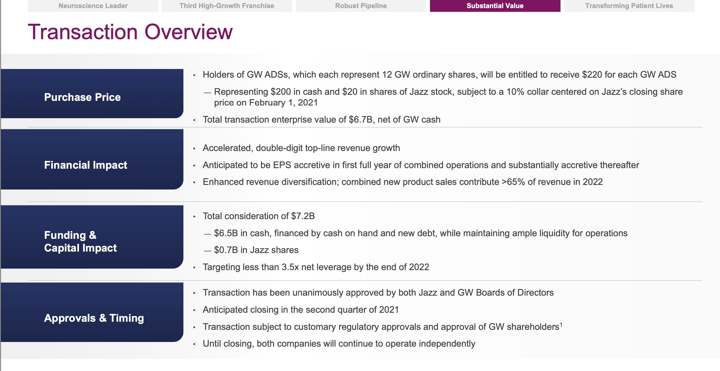

Source: 202102 Acquisition of GW Pharmaceuticals slides

